Fuel Cost
 | Average Fuel Cost
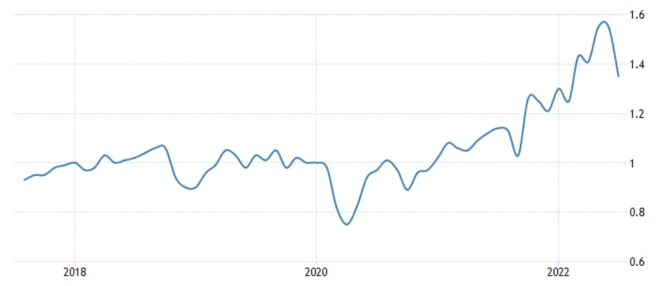

Philippine Gasoline Prices
Year | USD/Liter
1-Mar-14 | 1.19
1-Apr-14 | 1.23
1-May-14 | 1.25
1-Jun-14 | 1.23
1-Jul-14 | 1.24
1-Aug-14
1-Sep-14
1-Oct-14
1-Nov-14
1-Dec-14
1-Jan-15
1-Feb-15
1-Mar-15
1-Apr-15
1-May-15
1-Jun-15
1-Jul-15
1-Aug-15
1-Sep-15
1-Oct-15
1-Nov-15
1-Dec-15
1-Jan-16
1-Feb-16
1-Mar-16
1-Apr-16
1-May-16
1-Jun-16
1-Jul-16
1-Aug-16
1-Sep-16
1-Oct-16
1-Nov-16
1-Dec-16
1-Jan-17
1-Feb-17
1-Mar-17
1-Apr-17
1-May-17
1-Jun-17
1-Jul-17
1-Aug-17
1-Sep-17
1-Oct-17
1-Nov-17
1-Dec-17
1-Jan-18
1-Feb-18
1-Mar-18
1-Apr-18
1-May-18
1-Jun-18
1-Jul-18
1-Aug-18
1-Sep-18
1-Oct-18
1-Nov-18
1-Dec-18
1-Jan-19
1-Feb-19
1-Mar-19
1-Apr-19
1-May-19
1-Jun-19
1-Jul-19
1-Aug-19
1-Sep-19
1-Oct-19
1-Nov-19
1-Dec-19
1-Jan-20
1-Feb-20
1-Mar-20
1-Apr-20
1-May-20
1-Jun-20
1-Jul-20
1-Aug-20
1-Sep-20
1-Oct-20
1-Nov-20
1-Dec-20
1-Jan-21
1-Feb-21
1-Mar-21
1-Apr-21
1-May-21
1-Jun-21
1-Jul-21
1-Aug-21
1-Sep-21
1-Oct-21
1-Nov-21
1-Dec-21
1-Jan-22
1-Feb-22
1-Mar-22
1-Apr-22
1-May-22
1-Jun-22
1-Jul-22
1-Aug-22
1-Sep-22
1-Oct-22
1-Nov-22
1-Dec-22
1-Jan-23
1-Feb-23
1-Mar-23
1-Apr-23
1-May-23
1-Jun-23
1-Jul-23
1-Aug-23
1-Sep-23
1-Oct-23
1-Nov-23
1-Dec-23
1-Jan-24
1-Feb-24

